CBSL_GPP-Zone 8
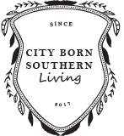

 | Garden Planner Printable Zone 8 (Note: Adjust Dates For Your Location's Planting Zone)

© 2017, CityBornSouthernLiving LLC All rights reserved.

